Analysis Report
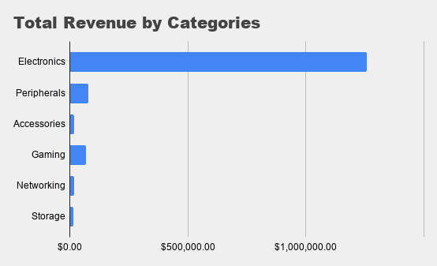
Total Revenue | Completed Revenue | Pending Orders
$1,451,015.00 | $887,097.00 | 195

Regional Profitability

Product Performance by Status

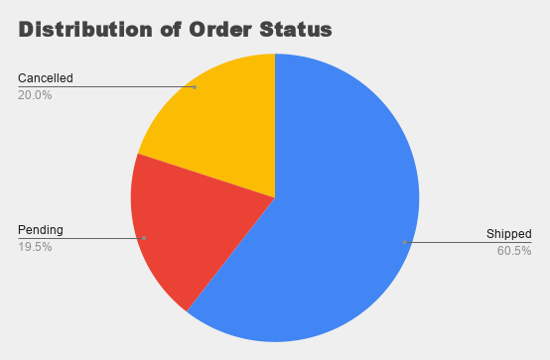

Representative Sales by Order Type

